Price Calculation
Price Calculation: Shortlist - RFP730-20123 JOC Services

Summary for UH, UHD, UHCL
RATIO FORMULA: Points x (Lowest Cost / Bidders Amount)

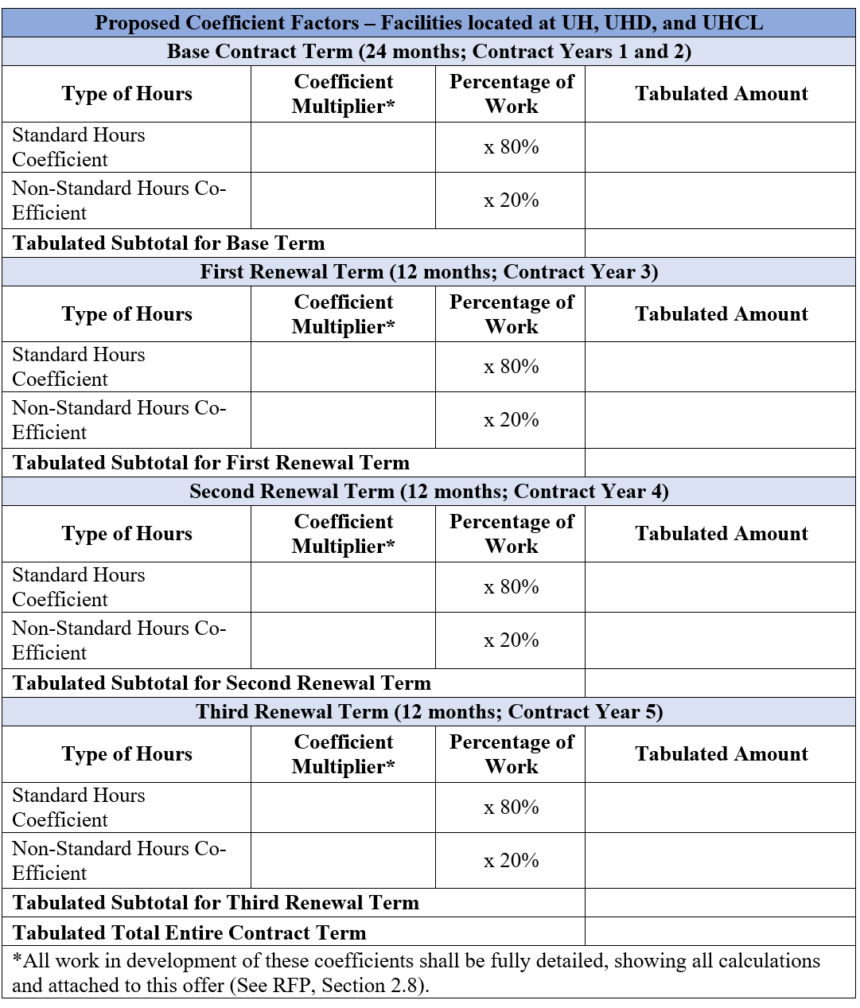
 |  | Years 1 & 2 (24 mths) |  |  |  | Year 3 (12 mths) |  |  |  | Year 4 (12 mths) |  |  |  | Year 5 (12 mths)
 |  | Normal | Non-Normal | NPPI |  | Normal | Non-Normal | NPPI |  | Normal | Non-Normal | NPPI |  | Normal | Non-Normal | NPPI |  | Summary for UH, UHD, UHCL
 |  | 70% | 20% | 10% | Y1&2 Total | 70% | 20% | 10% | Y3 Total | 70% | 20% | 10% | Y4 Total | 70% | 20% | 10% | Y5 Total |  | Tabulated Total Entire Contract Term
Bidders |  |  |  |  |  |  |  |  |  |  |  |  |  |  |  |  |  |  |  | Points | Lowest cost | Score | Rank |  | Final Score | Rank
Brown & Root | Coeff Multr | 1.02 | 1.05 | 1.22 |  | 1.02 | 1.05 | 1.22 |  | 1.02 | 1.05 | 1.22 |  | 1.02 | 1.05 | 1.22 |  | Brown & Root | 4.184 | 22.5 | $3.43 | 18.434512428 | 5 | Brown & Root | 24.452770855 | 5
 | Tab Amnt | 0.714 | 0.21 | 0.122 | 1.046 | 0.714 | 0.21 | 0.122 | 1.046 | 0.714 | 0.21 | 0.122 | 1.046 | 0.714 | 0.21 | 0.122 | 1.046 | Westco Ventures | 3.664 |  |  | 21.050764192 | 3 | Westco Ventures | 28.06768559 | 3
Westco Ventures | Coeff Multr | 0.88 | 0.925 | 1.15 |  | 0.88 | 0.925 | 1.15 |  | 0.88 | 0.925 | 1.15 |  | 0.88 | 0.925 | 1.15 |  | Turner Construction | 4.296 |  |  | 17.953910615 | 6 | Turner Construction | 23.687630507 | 6
 | Tab Amnt | 0.616 | 0.185 | 0.115 | 0.916 | 0.616 | 0.185 | 0.115 | 0.916 | 0.616 | 0.185 | 0.115 | 0.916 | 0.616 | 0.185 | 0.115 | 0.916 | A Status Construction | 3.804 |  |  | 20.276025237 | 4 | A Status Construction | 26.569782887 | 4
Turner Construction | Coeff Multr | 1.06 | 1.09 | 1.14 |  | 1.06 | 1.09 | 1.14 |  | 1.06 | 1.09 | 1.14 |  | 1.06 | 1.09 | 1.14 |  | Skanska | 5.3312 |  |  | 14.467662065 | 9 | Skanska | 19.235837139 | 9
 | Tab Amnt | 0.742 | 0.218 | 0.114 | 1.074 | 0.742 | 0.218 | 0.114 | 1.074 | 0.742 | 0.218 | 0.114 | 1.074 | 0.742 | 0.218 | 0.114 | 1.074 | Noble | 4.976 |  |  | 15.500401929 | 8 | Noble | 20.704855371 | 8
A Status Construction | Coeff Multr | 0.92 | 0.95 | 1.05 |  | 0.93 | 0.96 | 1.06 |  | 0.93 | 0.96 | 1.06 |  | 0.95 | 0.98 | 1.06 |  | METCO | 3.6044 |  |  | 21.398845855 | 2 | METCO | 28.531794473 | 2
 | Tab Amnt | 0.644 | 0.19 | 0.105 | 0.939 | 0.651 | 0.192 | 0.106 | 0.949 | 0.651 | 0.192 | 0.106 | 0.949 | 0.665 | 0.196 | 0.106 | 0.967 | Vaughn | 4.694 |  |  | 16.431614827 | 7 | Vaughn | 21.785633986 | 7
Skanska | Coeff Multr | 1.295 | 1.4 | 1.295 |  | 1.317 | 1.404 | 1.317 |  | 1.321 | 1.408 | 1.321 |  | 1.325 | 1.412 | 1.325 |  | Nash | 3.428 |  |  | 22.5 | 1 | Nash | 30 | 1
 | Tab Amnt | 0.9065 | 0.28 | 0.1295 | 1.316 | 0.9219 | 0.2808 | 0.1317 | 1.3344 | 0.9247 | 0.2816 | 0.1321 | 1.3384 | 0.9275 | 0.2824 | 0.1325 | 1.3424
Noble | Coeff Multr | 1.22 | 1.28 | 1.34 |  | 1.22 | 1.28 | 1.34 |  | 1.22 | 1.28 | 1.34 |  | 1.22 | 1.28 | 1.34 |  | Summary for UHV
 | Tab Amnt | 0.854 | 0.256 | 0.134 | 1.244 | 0.854 | 0.256 | 0.134 | 1.244 | 0.854 | 0.256 | 0.134 | 1.244 | 0.854 | 0.256 | 0.134 | 1.244 |  | Tabulated Total Entire Contract Term
METCO | Coeff Multr | 0.869 | 0.969 | 0.99 |  | 0.869 | 0.969 | 0.99 |  | 0.869 | 0.969 | 0.99 |  | 0.869 | 0.969 | 0.99 |  |  |  | Points | Lowest cost | Score | Rank
 | Tab Amnt | 0.6083 | 0.1938 | 0.099 | 0.9011 | 0.6083 | 0.1938 | 0.099 | 0.9011 | 0.6083 | 0.1938 | 0.099 | 0.9011 | 0.6083 | 0.1938 | 0.099 | 0.9011 | Brown & Root | 4.272 | 7.5 | $3.43 | 6.018258427 | 5
Vaughn | Coeff Multr | 1.16 | 1.21 | 1.15 |  | 1.16 | 1.21 | 1.15 |  | 1.17 | 1.22 | 1.15 |  | 1.17 | 1.22 | 1.15 |  | Westco Ventures | 3.664 |  |  | 7.0169213974 | 3
 | Tab Amnt | 0.812 | 0.242 | 0.115 | 1.169 | 0.812 | 0.242 | 0.115 | 1.169 | 0.819 | 0.244 | 0.115 | 1.178 | 0.819 | 0.244 | 0.115 | 1.178 | Turner Construction | 4.484 |  |  | 5.733719893 | 6
Nash | Coeff Multr | 0.8 | 0.87 | 1.23 |  | 0.8 | 0.87 | 1.23 |  | 0.8 | 0.87 | 1.23 |  | 0.8 | 0.87 | 1.23 |  | A Status Construction | 4.085 |  |  | 6.2937576499 | 4
 | Tab Amnt | 0.56 | 0.174 | 0.123 | 0.857 | 0.56 | 0.174 | 0.123 | 0.857 | 0.56 | 0.174 | 0.123 | 0.857 | 0.56 | 0.174 | 0.123 | 0.857 | Skanska | 5.392 |  |  | 4.7681750742 | 9
 |  |  |  |  |  |  |  |  |  |  |  |  |  |  |  |  |  | Noble | 4.94 |  |  | 5.2044534413 | 8
 |  |  |  |  |  |  |  |  |  |  |  |  |  |  |  |  |  | METCO | 3.6044 |  |  | 7.1329486184 | 2
 |  |  |  |  |  |  |  |  |  |  |  |  |  |  |  |  |  | Vaughn | 4.802 |  |  | 5.3540191587 | 7
Summary for UHV |  |  |  |  |  |  |  |  |  |  |  |  |  |  |  |  |  | Nash | 3.428 |  |  | 7.5 | 1
RATIO FORMULA: Points x (Lowest Cost / Bidders Amount)
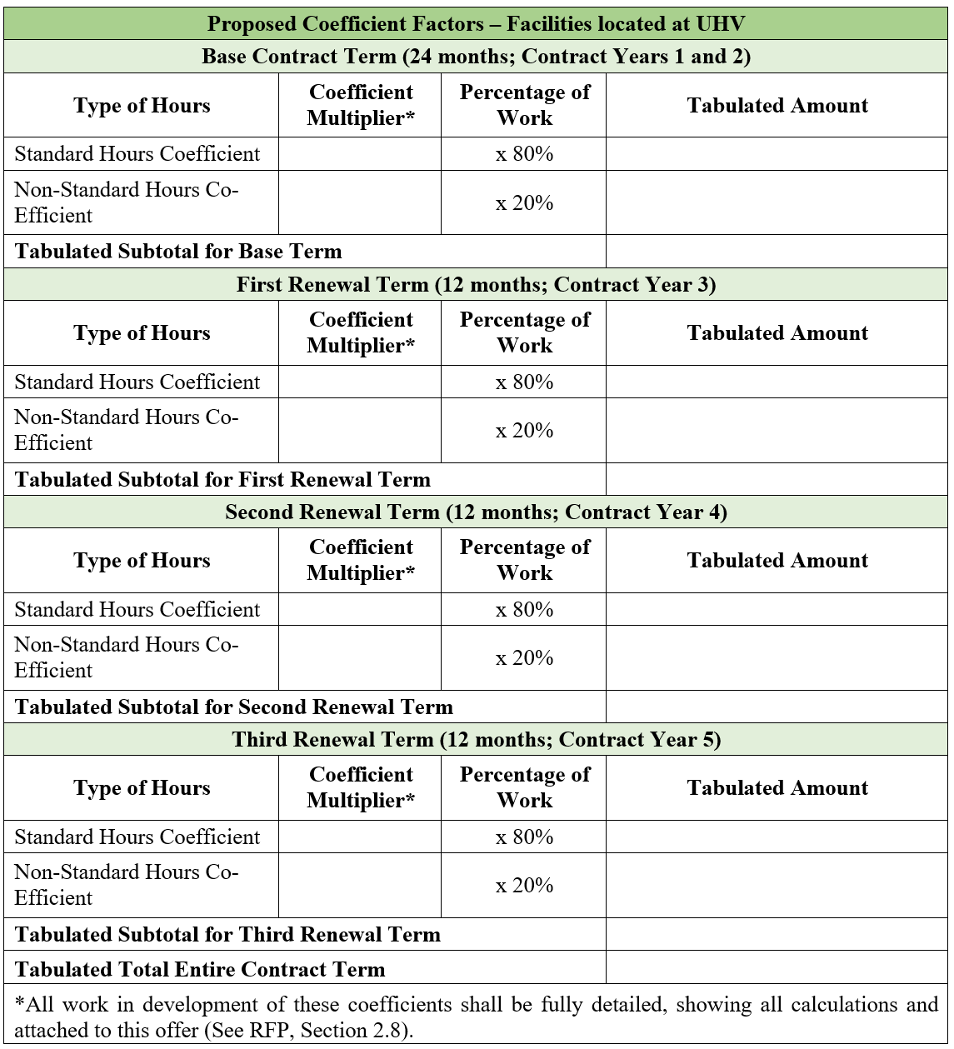
 |  | Years 1 & 2 (24 mths) |  |  |  | Year 3 (12 mths) |  |  |  | Year 4 (12 mths) |  |  |  | Year 5 (12 mths)
 |  | Normal | Non-Normal | NPPI |  | Normal | Non-Normal | NPPI |  | Normal | Non-Normal | NPPI |  | Normal | Non-Normal | NPPI
 |  | 70% | 20% | 10% | Y1&2 Total | 70% | 20% | 10% | Y3 Total | 70% | 20% | 10% | Y4 Total | 70% | 20% | 10% | Y5 Total
Bidders
Brown & Root | Coeff Multr | 1.04 | 1.09 | 1.22 |  | 1.04 | 1.09 | 1.22 |  | 1.04 | 1.09 | 1.22 |  | 1.04 | 1.09 | 1.22
 | Tab Amnt | 0.728 | 0.218 | 0.122 | 1.068 | 0.728 | 0.218 | 0.122 | 1.068 | 0.728 | 0.218 | 0.122 | 1.068 | 0.728 | 0.218 | 0.122 | 1.068
Westco Ventures | Coeff Multr | 0.88 | 0.925 | 1.15 |  | 0.88 | 0.925 | 1.15 |  | 0.88 | 0.925 | 1.15 |  | 0.88 | 0.925 | 1.15
 | Tab Amnt | 0.616 | 0.185 | 0.115 | 0.916 | 0.616 | 0.185 | 0.115 | 0.916 | 0.616 | 0.185 | 0.115 | 0.916 | 0.616 | 0.185 | 0.115 | 0.916
Turner Construction | Coeff Multr | 1.1 | 1.17 | 1.17 |  | 1.1 | 1.17 | 1.17 |  | 1.1 | 1.17 | 1.17 |  | 1.1 | 1.17 | 1.17
 | Tab Amnt | 0.77 | 0.234 | 0.117 | 1.121 | 0.77 | 0.234 | 0.117 | 1.121 | 0.77 | 0.234 | 0.117 | 1.121 | 0.77 | 0.234 | 0.117 | 1.121
A Status Construction | Coeff Multr | 1 | 1.05 | 1.05 |  | 1 | 1.05 | 1.06 |  | 1 | 1.05 | 1.06 |  | 1.03 | 1.04 | 1.09
 | Tab Amnt | 0.7 | 0.21 | 0.105 | 1.015 | 0.7 | 0.21 | 0.106 | 1.016 | 0.7 | 0.21 | 0.106 | 1.016 | 0.721 | 0.208 | 0.109 | 1.038
Skanska | Coeff Multr | 1.32 | 1.425 | 1.32 |  | 1.325 | 1.43 | 1.325 |  | 1.329 | 1.434 | 1.329 |  | 1.334 | 1.439 | 1.334
 | Tab Amnt | 0.924 | 0.285 | 0.132 | 1.341 | 0.9275 | 0.286 | 0.1325 | 1.346 | 0.9303 | 0.2868 | 0.1329 | 1.35 | 0.9338 | 0.2878 | 0.1334 | 1.355
Noble | Coeff Multr | 1.21 | 1.27 | 1.34 |  | 1.21 | 1.27 | 1.34 |  | 1.21 | 1.27 | 1.34 |  | 1.21 | 1.27 | 1.34
 | Tab Amnt | 0.847 | 0.254 | 0.134 | 1.235 | 0.847 | 0.254 | 0.134 | 1.235 | 0.847 | 0.254 | 0.134 | 1.235 | 0.847 | 0.254 | 0.134 | 1.235
METCO | Coeff Multr | 0.869 | 0.969 | 0.99 |  | 0.869 | 0.969 | 0.99 |  | 0.869 | 0.969 | 0.99 |  | 0.869 | 0.969 | 0.99
 | Tab Amnt | 0.6083 | 0.1938 | 0.099 | 0.9011 | 0.6083 | 0.1938 | 0.099 | 0.9011 | 0.6083 | 0.1938 | 0.099 | 0.9011 | 0.6083 | 0.1938 | 0.099 | 0.9011
Vaughn | Coeff Multr | 1.19 | 1.24 | 1.15 |  | 1.19 | 1.24 | 1.15 |  | 1.2 | 1.25 | 1.15 |  | 1.2 | 1.25 | 1.15
 | Tab Amnt | 0.833 | 0.248 | 0.115 | 1.196 | 0.833 | 0.248 | 0.115 | 1.196 | 0.84 | 0.25 | 0.115 | 1.205 | 0.84 | 0.25 | 0.115 | 1.205
Nash | Coeff Multr | 0.8 | 0.87 | 1.23 |  | 0.8 | 0.87 | 1.23 |  | 0.8 | 0.87 | 1.23 |  | 0.8 | 0.87 | 1.23
 | Tab Amnt | 0.56 | 0.174 | 0.123 | 0.857 | 0.56 | 0.174 | 0.123 | 0.857 | 0.56 | 0.174 | 0.123 | 0.857 | 0.56 | 0.174 | 0.123 | 0.857

Evaluation
Instructions:
Review Non-Disclosure before evaluating below.
Enter name.
Review all bid responses distributed by the Buyer.
Once reviewed, enter points for the vendor in the yellow highlighted cells.
Send completed matrix in Excel format back to the buyer.
Committee members must score independently.
5.0 to 4.5 = Exceptional, exceeds and fully meets all requirements
4.4 to 3.5 = Advantageous, exceeds some requirements
3.4 to 2.5 = Meets minimal requirements
2.4 to 1.5 = Addresses most of the minimal requirements
1.4 to 1.0 = Addresses part of minimal requirements
University of Houston Evaluation Matrix $1 Million+
RFP730-20123 JOC Services
Name
Evaluation Due Date | XX/XX/2021 @ 12 PM
Non Disclosure Agreement
 | By initialing, I agree that I have read and understood the Non Disclosure Agreement.
Nepotism Agreement
 | By initialing, I agree that I have read and understood the Nepotism Agreement and have completed the Disclosure Statement form (Part 1: General Information & Part 2: Disclosures).

 | Criteria 1 | Criteria 2 | Criteria 3 | Criteria 4 | Criteria 5 | Criteria 6
 | Respondent’s Pricing and Delivery Proposal UH, UHD, UHCL: 22.5 points; UHV: 7.5 points = 30 **ONLY PURCHASING WILL EVALUATE** | Respondent Qualifications | Job Order Contracting Qualifications | Management Approach | Safety Record Supported by Accurate and Verifiable Data | Respondent’s Past HUB/MBE/WBE Goal Attainment and Quality of Procedures for UHS HUB Goal Attainment on this RFP **ONLY PURCHASING WILL EVALUATE**
 | Points (1-5) | Points (1-5) | Points (1-5) | Points (1-5) | Points (1-5) | Points (1-5)
Brown & Root
Westco Ventures
Turner Construction
A Status Construction
Skanska
Noble
METCO
Vaughn
Nash

Committee Members:

HUB:

Updated: 10/19

